Reebok
Division Name | Style | IMAGE | MSRP Price | Style Description | Color Description | 2XL | 2XS | 2XS/S | 2XTG | L | L/G | L/S | M | M/M | M/S | S | S/P | S/S | XL | XL/S | XLTG | XS | XS/S | XSTP | Grand Total | TOTAL MSRP
Reebok Apparel Women | FT0795 | 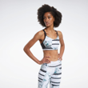 #NAME? | $60.00 | TS HERO STRPPY BRA- | GLAPNK |  | 2 |  |  |  | 169 |  |  | 288 |  |  | 229 |  |  |  | 41 |  |  | 15 | 744 | $44,640.00
Reebok Apparel Women | FT8186 | 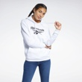 #NAME? | $80.00 | CL F BIG LOGO HOODI | WHITE |  |  |  |  |  | 9 |  |  | 208 |  |  | 116 |  |  |  | 0 |  |  | 100 | 433 | $34,640.00
Reebok Apparel Women | FT0833 | 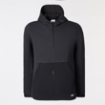 #NAME? | $120.00 | TS THERMOWRM DP CONTRL HD | BLACK |  | 0 |  |  |  | 64 |  |  | 118 |  |  | 104 |  |  |  |  |  |  | 55 | 341 | $40,920.00
Reebok Apparel Women | GR9491 | 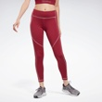 #NAME? | $70.00 | WOR BIG LOGO TIGHT | PUNBER |  | 0 | 0 |  |  | 72 |  |  | 116 |  |  | 70 |  |  |  | 27 |  |  | 59 | 344 | $24,080.00
Reebok Apparel Women | HE8169 | 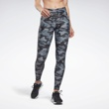 #NAME? | $80.00 | TS LUX BOLD TIGHT - | BLACK |  | 4 |  |  |  | 12 |  |  | 112 |  |  | 131 |  |  |  | 0 |  |  | 55 | 314 | $25,120.00
Reebok Apparel Women | HH7397 | 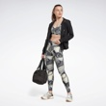 #NAME? | $80.00 | TS LUX PERFORM TIGH | BLACK |  | 7 | 4 |  |  | 110 |  |  | 198 | 0 |  | 169 | 2 |  |  | 48 |  | 0 | 69 | 607 | $48,560.00
Reebok Apparel Women | HI4017 | 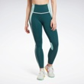 #NAME? | $80.00 | TS LUX HR TIGHT- CB | FORGRN |  | 0 | 3 |  |  | 49 | 0 |  | 100 | 0 |  | 106 | 0 |  | 0 | 22 |  | 2 | 47 | 329 | $26,320.00
Reebok Apparel Women | HK4759 | 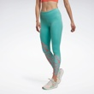 #NAME? | $75.00 | RUNNING AOP TIGHT | SECLTE |  | 2 |  |  |  | 44 |  |  | 102 |  |  | 93 |  |  |  | 22 |  |  | 44 | 307 | $23,025.00
Reebok Apparel Women | HK4781 | 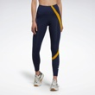 #NAME? | $75.00 | WOR BIG LOGO TIGHT | VECNAV |  | 4 | 0 |  |  | 314 |  |  | 550 | 0 |  | 371 | 0 |  |  | 150 |  | 0 | 277 | 1666 | $124,950.00
Reebok Apparel Women | HK4810 | 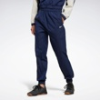 #NAME? | $75.00 | WOR WOVEN PANT | VECNAV |  |  |  |  |  | 68 |  |  | 103 |  |  | 97 |  |  |  | 10 |  |  | 44 | 322 | $24,150.00
Reebok Apparel Women | HK4951 | 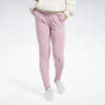 #NAME? | $90.00 | CL RBK ND FITTED PA | INFLIL |  | 3 |  |  |  | 61 |  |  | 139 |  |  | 118 |  |  |  | 17 |  |  | 50 | 388 | $34,920.00
Reebok Apparel Women | HK4952 | 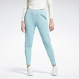 #NAME? | $90.00 | CL RBK ND FITTED PA | SEAGRY |  | 2 |  |  |  | 63 |  |  | 125 |  |  | 127 |  |  |  | 16 |  |  | 54 | 387 | $34,830.00
Reebok Apparel Women | HK6836 | 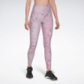 #NAME? | $80.00 | S LUX HR 2.0 MULT S | INFLIL |  | 0 |  |  |  | 61 |  |  | 113 |  |  | 101 |  |  |  | 30 |  |  | 63 | 368 | $29,440.00
Reebok Apparel Women | HK6842 | 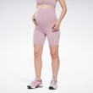 #NAME? | $60.00 | Y LUX MATERNITY SHO | INFLIL |  | 3 |  |  |  | 61 |  |  | 119 |  |  | 96 |  |  |  | 29 |  |  | 52 | 360 | $21,600.00
Reebok Apparel Women | HK6948 | 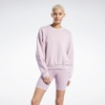 #NAME? | $90.00 | CL RBK ND FT CREW | INFLIL |  | 0 |  |  |  | 93 |  |  | 153 |  |  | 181 |  |  |  | 29 |  |  | 89 | 545 | $49,050.00
Reebok Apparel Women | HK6971 | 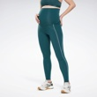 #NAME? | $95.00 | Y LUX 2.0MATERNITY | FORGRN |  | 4 |  |  |  | 60 |  |  | 115 |  |  | 99 |  |  |  | 30 |  |  | 52 | 360 | $34,200.00
Reebok Apparel Women | HN6032 | 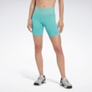 #NAME? | $75.00 | LM RIB LEGGING SHOR | SECLTE |  | 5 |  |  |  | 42 |  |  | 100 |  |  | 108 |  |  |  | 20 |  |  | 45 | 320 | $24,000.00
Reebok Apparel Women | 100018793 | 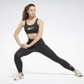 #NAME? | $50.00 | ID TRAIN BIG LOGO BRA | NIGHT BLACK |  |  |  | 8 |  | 248 |  |  | 485 |  |  | 276 |  |  |  | 80 |  |  | 60 | 1157 | $57,850.00
Reebok Apparel Women | HA1038 | 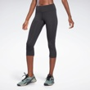 #NAME? | $60.00 | WOR MESH CAPRI | NGHBLK |  |  |  | 231 |  | 375 |  |  | 502 |  |  | 366 |  |  |  | 228 |  |  | 259 | 1961 | $117,660.00
Reebok Apparel Women | 100028200 | 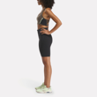 #NAME? | $75.00 | LUX HIGH RISE BIKE SHORT | BLACK |  | 0 |  |  |  | 0 | 20 |  | 40 | 30 |  | 116 | 29 |  | 12 | 5 |  | 32 | 59 | 343 | $25,725.00
Reebok Apparel Women | 100205604 | 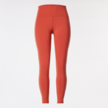 #NAME? | $90.00 | LUX HR TIGHT | BRICK RED |  |  |  |  |  | 58 |  |  | 92 |  |  | 95 |  |  |  | 27 |  |  | 46 | 318 | $28,620.00
Reebok Apparel Women | FJ2717 | 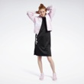 #NAME? | $70.00 | WOR MYT DRESS | BLACK |  | 0 |  |  |  | 94 |  |  | 155 |  |  | 162 |  |  |  | 7 |  |  | 80 | 498 | $34,860.00
Reebok Apparel Women | FT8189 | 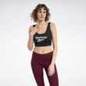 #NAME? | $35.00 | CL F VECTOR BRALETT | BLACK |  | 3 |  |  |  | 111 |  |  | 213 |  |  | 68 |  |  |  | 5 |  |  | 0 | 400 | $14,000.00
Reebok Apparel Women | GI6973 | 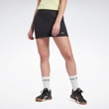 #NAME? | $50.00 | MYT SORCHA SKIRT | BLACK |  |  |  |  |  | 86 |  |  | 245 |  |  | 302 |  |  |  | 9 |  |  | 270 | 912 | $45,600.00
Reebok Apparel Women | GL2627 | 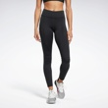 #NAME? | $70.00 | WOR PP TIGHT | BLACK |  | 0 |  |  |  | 71 |  |  | 106 |  |  | 116 |  |  |  | 0 |  |  | 78 | 371 | $25,970.00
Reebok Apparel Women | GN5413 | 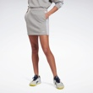 #NAME? | $50.00 | MYT SORCHA SKIRT | MGREYH |  |  |  |  |  | 58 |  |  | 190 |  |  | 232 |  |  |  | 0 |  |  | 209 | 689 | $34,450.00
Reebok Apparel Women | HD3139 | 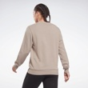 #NAME? | $70.00 | RI BL FRENCH TERRY | BOUGRY |  |  |  |  |  | -1 |  |  | 101 |  |  | 220 |  |  |  | 0 |  |  | 58 | 378 | $26,460.00
Reebok Apparel Women | HA1040 | 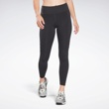 #NAME? | $60.00 | WOR MESH TIGHT | NGHBLK |  | 0 | 0 |  |  | 48 | 324 |  | 58 | 441 |  | 145 | 83 |  | 211 | 12 |  | 0 | 47 | 1369 | $82,140.00
Reebok Apparel Women | HA4373 | 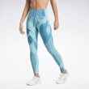 #NAME? | $90.00 | LUX PERFORM TIGHT-A | STEBLU |  | 2 |  |  |  | 52 |  |  | 101 |  |  | 98 |  |  |  | 17 |  |  | 33 | 303 | $27,270.00
Reebok Apparel Women | HS4753 | 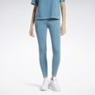 #NAME? | $75.00 | CL RBK ND LEGGING | STEBLU |  |  |  |  |  | 80 |  |  | 117 |  |  | 87 |  |  |  | 29 |  |  | 46 | 359 | $26,925.00
Reebok Apparel Women | 100075368 | 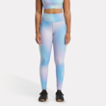 #NAME? | $80.00 | LUX BOLD AOP TIGHT | BOLCYA |  | 5 | 5 |  |  | 31 | 45 |  | 43 | 59 |  | 43 | 56 |  | 30 | 30 |  | 48 | 40 | 435 | $34,800.00
Reebok Apparel Women | GS1962 | 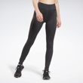 #NAME? | $70.00 | WOR PP TIGHT | NGHBLK |  | 1 |  |  |  | 89 | 0 |  | 155 | 0 |  | 165 | 0 |  |  | 0 |  |  | 84 | 494 | $34,580.00
Reebok Apparel Women | GS9392 | 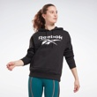 #NAME? | $75.00 | RI BL FLEECE HOODY | BLACK |  | 0 |  | -1 |  | 41 |  |  | 253 |  |  | 317 |  |  |  | 0 |  |  | 128 | 738 | $55,350.00
Reebok Apparel Women | H65586 | 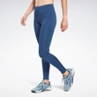 #NAME? | $70.00 | WOR PP TIGHT | BATBLU |  |  |  |  |  | 158 |  |  | 281 |  |  | 301 |  |  |  | 0 |  |  | 137 | 877 | $61,390.00
Reebok Apparel Women | 100012005 | 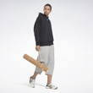 #NAME? | $90.00 | LUX OVERSIZED HOODIE | BLACK |  | 7 |  |  |  | 83 |  |  | 122 |  |  | 122 |  |  |  | 41 |  |  | 94 | 469 | $42,210.00
Reebok Apparel Women | 100012049 | 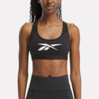 #NAME? | $70.00 | REEBOK LUX VECTOR RACER SPORTS BRA | BLACK |  | 8 |  |  |  | 23 |  |  | 77 |  |  | 149 |  |  |  | 17 |  |  | 99 | 373 | $26,110.00
Reebok Apparel Women | 100072923 | 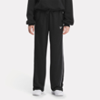 #NAME? | $75.00 | REEBOK ID BV TRICOT TP | BLACK | 0 | 0 |  |  | 59 |  |  | 82 |  |  | 84 |  |  | 43 |  |  | 72 |  |  | 340 | $25,500.00
Reebok Apparel Women | 100072938 | 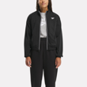 #NAME? | $80.00 | REEBOK ID BV TRICOT TT | BLACK | 3 | 2 |  |  | 77 |  |  | 96 |  |  | 104 |  |  | 47 |  |  | 97 |  |  | 426 | $34,080.00
Reebok Apparel Women | 100075361 | 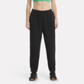 #NAME? | $80.00 | LUX PANT | BLACK |  |  |  |  | 69 |  |  | 85 |  |  | 101 |  |  | 27 |  |  | 85 |  |  | 367 | $29,360.00
Reebok Apparel Women | 100076089 | 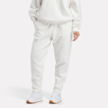 #NAME? | $80.00 | LUX PANT | CHALK |  | 1 |  |  | 82 |  |  | 105 |  |  | 109 |  |  | 31 |  |  | 88 |  |  | 416 | $33,280.00
 |  |  |  |  |  |  |  |  |  |  |  |  |  |  |  |  |  |  |  |  |  |  |  |  | 22128 | $1,568,635.00

